Welcome
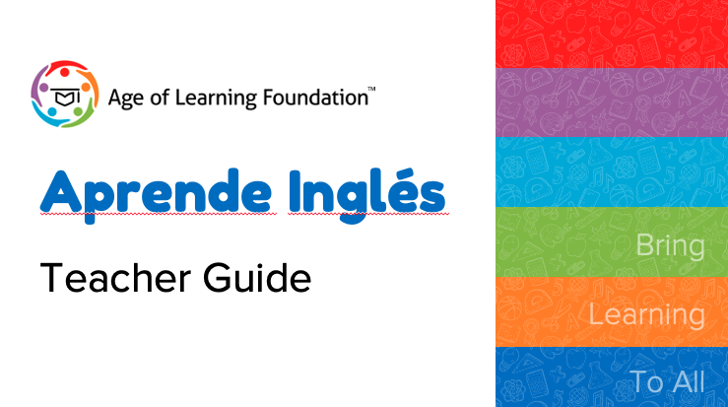
Tab | Purpose
Unit Overview | Lists all units for Grades 1 to 3
AI Scope & Sequence | Lists all the lessons in Aprende in order Lists all the vocabulary by lesson Includes current and future lessons
AI Library | Lists books by topic to support classroom instruction
Gr 1 Alignments | Provides correlations in Aprende with grade level units
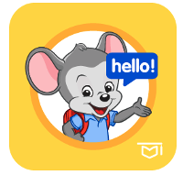
Gr 2 Alignments | Provides correlations in Aprende with grade level units


Gr 3 Alignments | Provides correlations in Aprende with grade level units

